Sheet1
photo | Specification | Amount | Retail Amazon | Total Retail | Ext Cost
 | Open size: 13.5"D x 17.1"W x 16.5"H Folden size:13.5"D X 17.1"W X 4.8" H Brand: Sheenive Material: 600x300D pvc fabric(black,blue,red,kahaki,coffee） steel tube+Flame-retardant sponge N.W.: 2.64KG | 200 | $47.00 | $9,400.00 | $-
 | ‎Open size:16.1"x12.6"x15.7"H Folden size:16.5 x 13.2 x 11.9 inches Brand: : Osportis Material: 600x300D pvc fabric(black） steel tube+Flame-retardant sponge N.W.: 5.4 pounds | 200 | $39.00 | $7,800.00 | $-
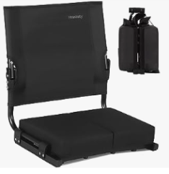 | Open size:17x13x20.4"H Folden size:16.81 x 12.4 x 6.89 inches Brand: Hmnitaty Material: 600x300D pvc fabric(black） 20x20mm steel tube+Flame-retardant sponge N.W.:7.19 pounds | 200 | $49.00 | $9,800.00 | $-
 | Open size: 16.9"x15"x14.8" Folden size:18.66 x 18.31 x 4.53 inches Brand: Sheenive Material: 600x300D pvc fabric(black） steel tube+Flame-retardant sponge N.W.:6lbs | 200 | $41.99 | $8,398.00 | $-
 | Open size:17.7"x14.6"x15.9"H Foldin size:17.7" x 14.8" x 5.8" inches Brand: Jaunits Material: 600x300D pvc fabric(black） steel tube+Flame-retardant sponge N.W.:‎‎3.86 Kilograms | 200 | $64.99 | $12,998.00 | $-
 | Open size:‎13.2"D x 16.9"W x 15.4"H ‎18.5 x 14.17 x 6.02 inches Brand: Jaunits Material: 600x300D pvc fabric(black） steel tube+Flame-retardant sponge N.W.:3.41 Kilograms | 200 | $54.99 | $10,998.00 | $-
 | ‎Open size:16.1"x12.6"x15.4"H Folden size:16.5 x 13.2 x 11.9 inches Brand: Osportis Material: 600x300D pvc fabric(black） 20x20mm steel tube+Flame-retardant sponge N.W.: | 200 | $44.99 | $8,998.00 | $-
 | ‎Open size:20"x16"x17.8"H Folden size: 15.2* 5.2*6.7 Inch Brand: USKAU Material: 600x300D pvc fabric(black） alum tube+steel tube N.W.:6.3Lbs | 200 | $49.95 | $9,990.00 | $-
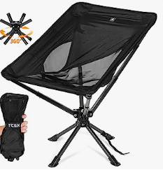 | Open size: 22.8"D x 20.8"W x 26.8"H Folden size: 13.4"x3.7“x3.7" Brand: TCEK N.W.: 3.55 pounds, Nylon fabric+aluminu tube(BLACK,BLUE,RED) | 400 | $94.99 | $37,996.00 | $-
 | TOTAL UNITS | 2000 |  | $116,378.00 | $-

